1. Instructions
Green Offices "Beyond Bronze" Certification Checklist Instructions
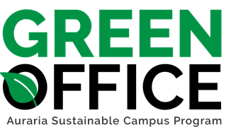

1. The Checklist tab has been coded to reflect your Bronze Cerification. Please continue to check off items your office completes to achieve Silver, Gold, and Platinum certifications. Refer to the Resrouce Sheet for more information or help with each item.
2. Green Office certification levels are determined by the number of points you receive as a % of total available points (60% Silver, 75% Gold, 90% Platinum). The Progress Dashboard tab will show you where you stand as you progress through or edit the checklist.
3. Once you've finished, save the file as and send to ASCP staff at greenoffices@ahec.edu and there will be an audit of your office.
4. Enjoy your new level of certification, and thank you for contributing to the ASCP's mission to reduce the campus's ecologicial footprint!

 | Primary Contact
 | Primary Contact Email
 | Program/Department
 | Secondary Contact
 | Secondary Contact Email
 | Program/Department
 | Office/Unit Name
 | Building Name
 | Date Submitted
 | Please include a description of your office including room number, room type, program/dept., shared space)
 | Number of Full Time Office Members
 | Number of Part-Time Office Members

4. Progress Dashboard
Green Office Program - Progress Dashboard |  |  |  | Current Level: | Not Yet Certified
Progress Dashboard

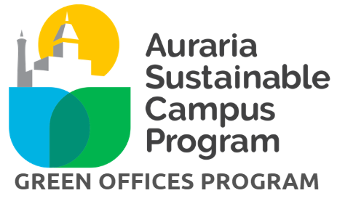
 |  | Total Points | 37
 |  | Points Needed to Achieve Next Level | 6
 |  | Current Level: | Not Yet Certified

 |  | Leaf Levels | Points Needed
 |  | Bronze | 43
 |  | Silver | 55
 |  | Gold | 68
 |  | Platinum | 82

Category | Total Points Achieved | Total Points Available | Progress
Awareness | 6 | 10 | 60%
Transportation | 2 | 5 | 40%
Energy | 6 | 16 | 38%
Water | 1 | 4 | 25%
Green Events | 3 | 9 | 33%
Waste Diversion | 11 | 32 | 34%
Purchasing | 8 | 15 | 53%
Innovation | 0 | 0 | N/A
TOTAL | 37 | 91 | 41%

